Stock DeMarquet
DE MARQUET - https://demarquet.com/
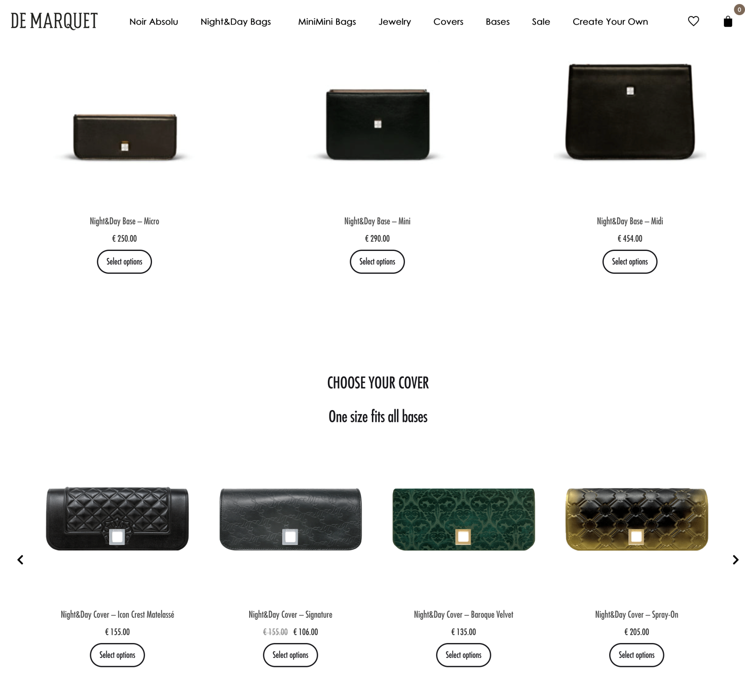
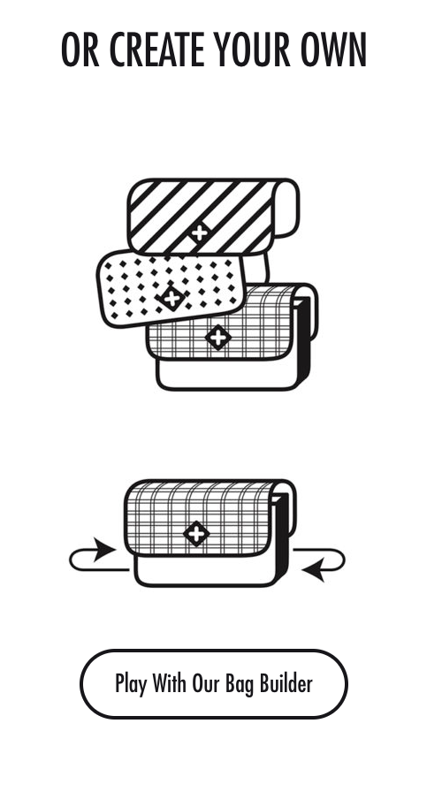
IMAGE | NAME | STOCK | ORIGINAL RETAIL PRICE | TOT
BAGS

NIGHT&DAY BAGS
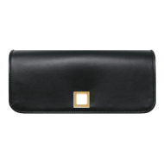 | Covers - various colors | 605 | 100 | 60,500.00 EUR
 | Micro Base - various colors | 8 | 250.00 EUR | 2,000.00 EUR
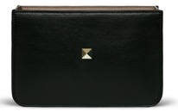 | Mini Bases - various colors | 186 | 290.00 EUR | 53,940.00 EUR
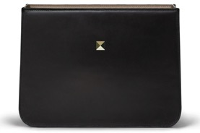 | Midi Bases - various colors | 38 | 454.00 EUR | 17,252.00 EUR

JEWELRY

 | TOTAL | 837 |  | 133,692.00 EUR

